Multiplicative Milk Production
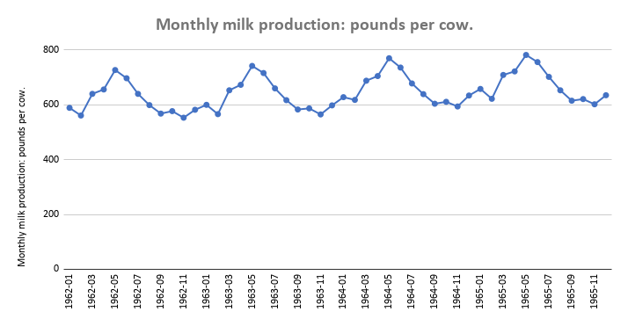
 | Monthly milk production: pounds per cow. | Year | Month | t | Monthly Milk Production, yt | MA | CMA | SN x IR | SNt | Dt | TRt | TRt * SNt | Error | Error^2
1962-01-01 | 589 | 1962 | 1 | 1 | 589 |  |  |  | 0.974734522 | 604.267097 | 605.156191 | 589.8666303 | -0.866630285 | 0.751048051
1962-02-01 | 561 |  | 2 | 2 | 561 |  |  |  | 0.930783989 | 602.717716 | 606.8335012 | 564.830907 | -3.830906958 | 14.67584812
1962-03-01 | 640 |  | 3 | 3 | 640 |  |  |  | 1.053630082 | 607.4238111 | 608.5108114 | 641.1452962 | -1.14529615 | 1.311703272
1962-04-01 | 656 |  | 4 | 4 | 656 |  |  |  | 1.076320068 | 609.48413 | 610.1881216 | 656.7577202 | -0.757720242 | 0.574139966
1962-05-01 | 727 |  | 5 | 5 | 727 |  |  |  | 1.172911398 | 619.8251643 | 611.8654318 | 717.663939 | 9.336060997 | 87.16203495
1962-06-01 | 697 |  | 6 | 6 | 697 |  |  |  | 1.126142243 | 618.9271423 | 613.542742 | 690.9363994 | 6.063600621 | 36.76725249
1962-07-01 | 640 |  | 7 | 7 | 640 |  |  |  | 1.037666718 | 616.7683601 | 615.2200522 | 638.3933724 | 1.606627589 | 2.581252211
1962-08-01 | 599 |  | 8 | 8 | 599 |  |  |  | 0.968666731 | 618.3757333 | 616.8973624 | 597.5679513 | 1.432048685 | 2.050763436
1962-09-01 | 568 |  | 9 | 9 | 568 |  |  |  | 0.912421843 | 622.519073 | 618.5746726 | 564.4010429 | 3.598957089 | 12.95249213
1962-10-01 | 577 |  | 10 | 10 | 577 |  |  |  | 0.919202025 | 627.7183733 | 620.2519828 | 570.1368787 | 6.863121312 | 47.10243415
1962-11-01 | 553 |  | 11 | 11 | 553 |  |  |  | 0.888044659 | 622.7164303 | 621.929293 | 552.3009869 | 0.699013134 | 0.488619361
1962-12-01 | 582 |  | 12 | 12 | 582 |  |  |  | 0.939475723 | 619.4944541 | 623.6066032 | 585.8632642 | -3.863264196 | 14.92481025
1963-01-01 | 600 | 1963 | 1 | 13 | 600 | 615.75 | 616.2083333 | 0.9736966664 | 0.974734522 | 615.5522214 | 625.2839134 | 609.4858162 | -9.485816167 | 89.98070835
1963-02-01 | 566 |  | 2 | 14 | 566 | 616.6666667 | 616.875 | 0.9175278622 | 0.930783989 | 608.0895316 | 626.9612236 | 583.5654687 | -17.56546872 | 308.5456914
1963-03-01 | 653 |  | 3 | 15 | 653 | 617.0833333 | 617.625 | 1.057275855 | 1.053630082 | 619.7621073 | 628.6385338 | 662.35247 | -9.352469974 | 87.46869462
1963-04-01 | 673 |  | 4 | 16 | 673 | 618.1666667 | 618.875 | 1.087457079 | 1.076320068 | 625.2786883 | 630.315844 | 678.4215918 | -5.421591795 | 29.3936576
1963-05-01 | 742 |  | 5 | 17 | 742 | 619.5833333 | 620.2083333 | 1.196372187 | 1.172911398 | 632.6138541 | 631.9931542 | 741.271974 | 0.728025956 | 0.530021793
1963-06-01 | 716 |  | 6 | 18 | 716 | 620.8333333 | 621.625 | 1.151819827 | 1.126142243 | 635.7989008 | 633.6704644 | 713.6030778 | 2.396922159 | 5.745235834
1963-07-01 | 660 |  | 7 | 19 | 660 | 622.4166667 | 623.25 | 1.058965102 | 1.037666718 | 636.0423713 | 635.3477746 | 659.2792401 | 0.720759926 | 0.519494871
1963-08-01 | 617 |  | 8 | 20 | 617 | 624.0833333 | 624.8333333 | 0.9874633236 | 0.968666731 | 636.9579757 | 637.0250848 | 617.0650064 | -0.06500639 | 0.004225831
1963-09-01 | 583 |  | 9 | 21 | 583 | 625.5833333 | 626.2083333 | 0.9310000665 | 0.912421843 | 638.9588372 | 638.702395 | 582.7660165 | 0.233983501 | 0.054748279
1963-10-01 | 587 |  | 10 | 22 | 587 | 626.8333333 | 627.25 | 0.9358310084 | 0.919202025 | 638.5973746 | 640.3797052 | 588.6383219 | -1.638321897 | 2.684098637
1963-11-01 | 565 |  | 11 | 23 | 565 | 627.6666667 | 628.1666667 | 0.899442823 | 0.888044659 | 636.2292643 | 642.0570154 | 570.1753033 | -5.175303256 | 26.78376379
1963-12-01 | 598 |  | 12 | 24 | 598 | 628.6666667 | 629.3333333 | 0.9502118644 | 0.939475723 | 636.5252295 | 643.7343256 | 604.7727708 | -6.772770761 | 45.87042378
1964-01-01 | 628 | 1964 | 1 | 25 | 628 | 630 | 631.1666667 | 0.994982836 | 0.974734522 | 644.2779917 | 645.4116358 | 629.105002 | -1.105002049 | 1.221029527
1964-02-01 | 618 |  | 2 | 26 | 618 | 632.3333333 | 634.5 | 0.9739952719 | 0.930783989 | 663.9564144 | 647.088946 | 602.3000305 | 15.69996951 | 246.4890427
1964-03-01 | 688 |  | 3 | 27 | 688 | 636.6666667 | 638.125 | 1.078158668 | 1.053630082 | 652.980597 | 648.7662562 | 683.5596438 | 4.440356202 | 19.7167632
1964-04-01 | 705 |  | 4 | 28 | 705 | 639.5833333 | 640.9166667 | 1.099986998 | 1.076320068 | 655.0096214 | 650.4435664 | 700.0854633 | 4.914536651 | 24.1526705
1964-05-01 | 770 |  | 5 | 29 | 770 | 642.25 | 643.4166667 | 1.196736174 | 1.172911398 | 656.486075 | 652.1208766 | 764.8800091 | 5.119990915 | 26.21430697
1964-06-01 | 736 |  | 6 | 30 | 736 | 644.5833333 | 645.4166667 | 1.140348612 | 1.126142243 | 653.5586466 | 653.7981868 | 736.2697563 | -0.269756304 | 0.072768463
1964-07-01 | 678 |  | 7 | 31 | 678 | 646.25 | 647 | 1.047913447 | 1.037666718 | 653.3889815 | 655.475497 | 680.1651077 | -2.165107737 | 4.687691512
1964-08-01 | 639 |  | 8 | 32 | 639 | 647.75 | 648.6666667 | 0.9850976362 | 0.968666731 | 659.6696053 | 657.1528072 | 636.5620615 | 2.437938534 | 5.943544298
1964-09-01 | 604 |  | 9 | 33 | 604 | 649.5833333 | 650.4583333 | 0.9285760041 | 0.912421843 | 661.9745072 | 658.8301174 | 601.1309901 | 2.869009913 | 8.23121788
1964-10-01 | 611 |  | 10 | 34 | 611 | 651.3333333 | 652.3333333 | 0.9366377108 | 0.919202025 | 664.7069776 | 660.5074276 | 607.1397651 | 3.860234895 | 14.90141344
1964-11-01 | 594 |  | 11 | 35 | 594 | 653.3333333 | 654.5416667 | 0.9075052518 | 0.888044659 | 668.8852796 | 662.1847378 | 588.0496196 | 5.950380354 | 35.40702636
1964-12-01 | 634 |  | 12 | 36 | 634 | 655.75 | 657.25 | 0.9646253328 | 0.939475723 | 674.8444741 | 663.862048 | 623.6822773 | 10.31772267 | 106.4554012
1965-01-01 | 658 | 1965 | 1 | 37 | 658 | 658.75 | 660 | 0.996969697 | 0.974734522 | 675.0556028 | 665.5393582 | 648.7241879 | 9.27581207 | 86.04068955
1965-02-01 | 622 |  | 2 | 38 | 622 | 661.25 | 661.4166667 | 0.9404056948 | 0.930783989 | 668.2538669 | 667.2166684 | 621.0345923 | 0.965407749 | 0.932012121
1965-03-01 | 709 |  | 3 | 39 | 709 | 661.5833333 | 662.4583333 | 1.070255991 | 1.053630082 | 672.9116908 | 668.8939786 | 704.7668176 | 4.233182377 | 17.91983304
1965-04-01 | 722 |  | 4 | 40 | 722 | 663.3333333 | 664.0416667 | 1.08728117 | 1.076320068 | 670.8041797 | 670.5712888 | 721.7493349 | 0.250665098 | 0.062832991
1965-05-01 | 782 |  | 5 | 41 | 782 | 664.75 | 665.25 | 1.175497933 | 1.172911398 | 666.7170268 | 672.248599 | 788.4880441 | -6.488044126 | 42.09471658
1965-06-01 | 756 |  | 6 | 42 | 756 | 665.75 | 666.5833333 | 1.134141768 | 1.126142243 | 671.3183925 | 673.9259092 | 758.9364348 | -2.936434766 | 8.622649137
1965-07-01 | 702 |  | 7 | 43 | 702 | 667.4166667 | 668.4166667 | 1.050243112 | 1.037666718 | 676.517795 | 675.6032194 | 701.0509754 | 0.9490246 | 0.900647692
1965-08-01 | 653 |  | 8 | 44 | 653 | 669.4166667 | 670 | 0.9746268657 | 0.968666731 | 674.1224605 | 677.2805296 | 656.0591165 | -3.059116541 | 9.35819401
1965-09-01 | 615 |  | 9 | 45 | 615 | 670.5833333 | 671.0416667 | 0.9164855635 | 0.912421843 | 674.0303343 | 678.9578398 | 619.4959637 | -4.495963675 | 20.21368937
1965-10-01 | 621 |  | 10 | 46 | 621 | 671.5 | 671.9166667 | 0.9242217537 | 0.919202025 | 675.5859789 | 680.63515 | 625.6412083 | -4.641208314 | 21.54081462
1965-11-01 | 602 |  | 11 | 47 | 602 | 672.3333333 | 672.6666667 | 0.8949454906 | 0.888044659 | 677.8938356 | 682.3124602 | 605.923936 | -3.923936036 | 15.39727401 | Total
1965-12-01 | 635 |  | 12 | 48 | 635 | 673 | 673.0416667 | 0.9434779917 | 0.939475723 | 675.9088976 | 683.9897704 | 642.5917839 | -7.59178389 | 57.63518264 | 1593.134575
1966-01-01 | 677 | 1966 | 1 | 37 |  | 673.0833333 |  |  | 0.974734522 |  | 665.5393583 | 648.7241883
1966-02-01 | 635 |  | 2 | 38 |  |  |  |  | 0.930783989 |  | 667.2166685 | 621.0345922
1966-03-01 | 736 |  | 3 | 39 |  |  |  |  | 1.053630082 |  | 668.8939787 | 704.7668176
1966-04-01 | 755 |  | 4 | 40 |  |  |  |  | 1.076320068 |  | 670.5712889 | 721.7493352
1966-05-01 | 811 |  | 5 | 41 |  |  |  |  | 1.172911398 |  | 672.2485991 | 788.4880442
1966-06-01 | 798 |  | 6 | 42 |  |  |  |  | 1.126142243 |  | 673.9259093 | 758.9364351
1966-07-01 | 735 |  | 7 | 43 |  |  |  |  | 1.037666718 |  | 675.6032195 | 701.0509754
1966-08-01 | 697 |  | 8 | 44 |  |  |  |  | 0.968666731 |  | 677.2805297 | 656.0591167
1966-09-01 | 661 |  | 9 | 45 |  |  |  |  | 0.912421843 |  | 678.9578399 | 619.4959636
1966-10-01 | 667 |  | 10 | 46 |  |  |  |  | 0.919202025 |  | 680.6351501 | 625.6412083
1966-11-01 | 645 |  | 11 | 47 |  |  |  |  | 0.888044659 |  | 682.3124603 | 605.9239361
1966-12-01 | 688 |  | 12 | 48 |  |  |  |  | 0.939475723 |  | 683.9897705 | 642.5917842
1967-01-01 | 713
1967-02-01 | 667
1967-03-01 | 762
1967-04-01 | 784
1967-05-01 | 837
1967-06-01 | 817
1967-07-01 | 767
1967-08-01 | 722 | Unadjusted Seasonal |  |  |  |  |  | Month | Unadjusted Seasonal | Adjusted Seasonal
1967-09-01 | 681 | Month | 1962 | 1963 | 1964 | SNt |  | 1 | 0.988549733 | 0.9747345215 |  |  | Coefficients
1967-10-01 | 687 | 1 | 0.97369666644 | 0.99498283602 | 0.99696969697 | 0.9885497331 |  | 2 | 0.943976276 | 0.930783989 |  | Intercept (β0) | 603.4788808
1967-11-01 | 660 | 2 | 0.91752786221 | 0.97399527187 | 0.94040569485 | 0.9439762763 |  | 3 | 1.068563505 | 1.053630082 |  | X Variable 1 (β1) | 1.677310202
1967-12-01 | 698 | 3 | 1.0572758551 | 1.078158668 | 1.0702559909 | 1.068563505 |  | 4 | 1.091575082 | 1.076320068
1968-01-01 | 717 | 4 | 1.0874570794 | 1.0999869978 | 1.0872811696 | 1.091575082 |  | 5 | 1.189535431 | 1.172911398 |  | MSE | 0
1968-02-01 | 696 | 5 | 1.1963721868 | 1.1967361741 | 1.1754979331 | 1.189535431 |  | 6 | 1.142103402 | 1.126142243
1968-03-01 | 775 | 6 | 1.1518198271 | 1.140348612 | 1.1341417677 | 1.142103402 |  | 7 | 1.052373887 | 1.037666718
1968-04-01 | 796 | 7 | 1.0589651023 | 1.0479134467 | 1.0502431118 | 1.052373887 |  | 8 | 0.982395942 | 0.968666731
1968-05-01 | 858 | 8 | 0.98746332355 | 0.98509763618 | 0.97462686567 | 0.9823959418 |  | 9 | 0.925353878 | 0.912421843
1968-06-01 | 826 | 9 | 0.93100006654 | 0.9285760041 | 0.91648556349 | 0.925353878 |  | 10 | 0.932230158 | 0.919202025
1968-07-01 | 783 | 10 | 0.93583100837 | 0.93663771078 | 0.92422175369 | 0.9322301576 |  | 11 | 0.900631188 | 0.888044659
1968-08-01 | 740 | 11 | 0.89944282303 | 0.90750525177 | 0.89494549058 | 0.9006311885 |  | 12 | 0.9527912 | 0.939475723
1968-09-01 | 701 | 12 | 0.95021186441 | 0.96462533283 | 0.94353640416 | 0.9527912005 |  | Total | 12.17007968 | 12
1968-10-01 | 706 |  |  |  |  |  |  | Mean | 1.014173307 | 1
1968-11-01 | 677
1968-12-01 | 711 | t | Milk production | TRt * SNt | CLt * IRt | CLt | IRt
1969-01-01 | 734 | 1 | 589 | 589.8666303 | 0.998530803
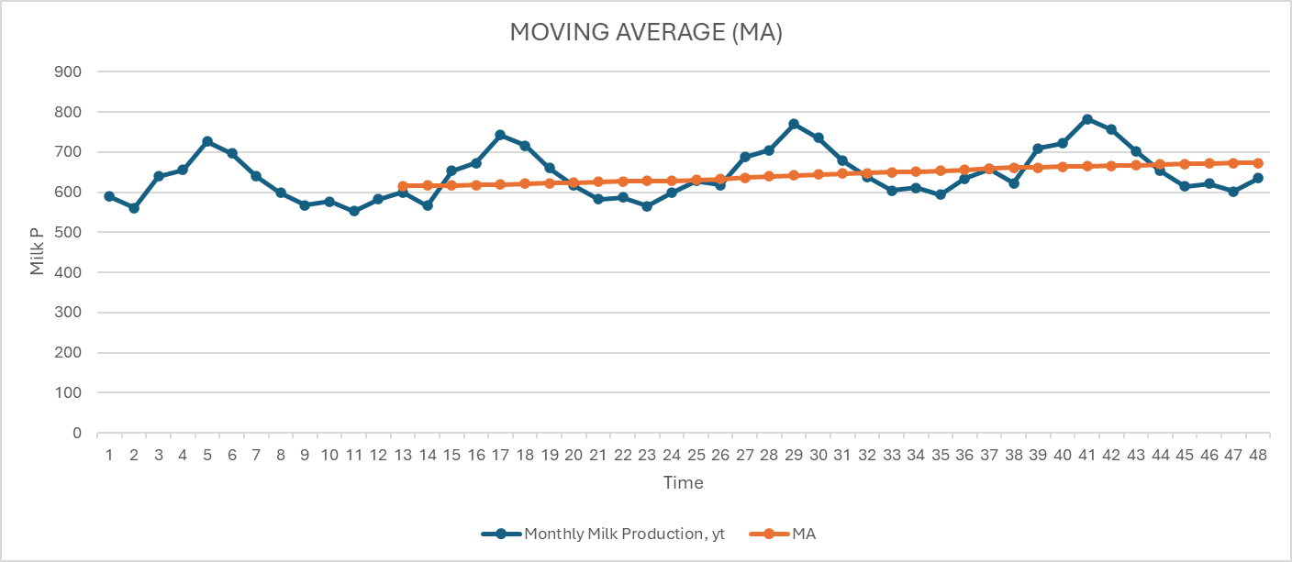
1969-02-01 | 690 | 2 | 561 | 564.830907 | 0.993217604
1969-03-01 | 785 | 3 | 640 | 641.1452962 | 0.998213671 | 0.996654026 | 1.001564881
1969-04-01 | 805 | 4 | 656 | 656.7577202 | 0.998846271 | 0.996759182 | 1.002093875
1969-05-01 | 871 | 5 | 727 | 717.663939 | 1.013008959 | 1.003356301 | 1.00962037
1969-06-01 | 845 | 6 | 697 | 690.9363994 | 1.008775917 | 1.006877049 | 1.001885899
1969-07-01 | 801 | 7 | 640 | 638.3933724 | 1.002516673 | 1.008100517 | 0.994461025
1969-08-01 | 764 | 8 | 599 | 597.5679513 | 1.002396462 | 1.004563017 | 0.997843285
1969-09-01 | 725 | 9 | 568 | 564.4010429 | 1.006376595 | 1.003763243 | 1.002603554
1969-10-01 | 723 | 10 | 577 | 570.1368787 | 1.012037673 | 1.00693691 | 1.005065623
1969-11-01 | 690 | 11 | 553 | 552.3009869 | 1.001265638 | 1.006559969 | 0.994740174
1969-12-01 | 734 | 12 | 582 | 585.8632642 | 0.99340586 | 1.00223639 | 0.991189174
1970-01-01 | 750 | 13 | 600 | 609.4858162 | 0.984436363 | 0.993035954 | 0.991340101
1970-02-01 | 707 | 14 | 566 | 583.5654687 | 0.969899746 | 0.982580656 | 0.987094281
1970-03-01 | 807 | 15 | 653 | 662.35247 | 0.98587992 | 0.98007201 | 1.005926004
1970-04-01 | 824 | 16 | 673 | 678.4215918 | 0.992008521 | 0.982596062 | 1.009579174
1970-05-01 | 886 | 17 | 742 | 741.271974 | 1.000982131 | 0.992956857 | 1.008082198
1970-06-01 | 859 | 18 | 716 | 713.6030778 | 1.003358901 | 0.998783184 | 1.004581291
1970-07-01 | 819 | 19 | 660 | 659.2792401 | 1.001093254 | 1.001811429 | 0.999283124
1970-08-01 | 783 | 20 | 617 | 617.0650064 | 0.999894652 | 1.001448936 | 0.998447965
1970-09-01 | 740 | 21 | 583 | 582.7660165 | 1.000401505 | 1.000463137 | 0.999938396 |  |  |  |  | The proximity of the forecast line to the actual data line shows a high level of accuracy in the predictions as it has minimal deviation from the real values.
1970-10-01 | 747 | 22 | 587 | 588.6383219 | 0.99721676 | 0.999170972 | 0.998044166 |  |  |  | The stability of the moving average indicates a steady state with no significant changes in the trend.
1970-11-01 | 711 | 23 | 565 | 570.1753033 | 0.990923312 | 0.996180526 | 0.99472263
1970-12-01 | 751 | 24 | 598 | 604.7727708 | 0.988801131 | 0.992313734 | 0.996460189
1971-01-01 | 804 | 25 | 628 | 629.105002 | 0.998243533 | 0.992655992 | 1.005628879
1971-02-01 | 756 | 26 | 618 | 602.3000305 | 1.026066692 | 1.004370452 | 1.02160183
1971-03-01 | 860 | 27 | 688 | 683.5596438 | 1.006495931 | 1.010268719 | 0.99626556
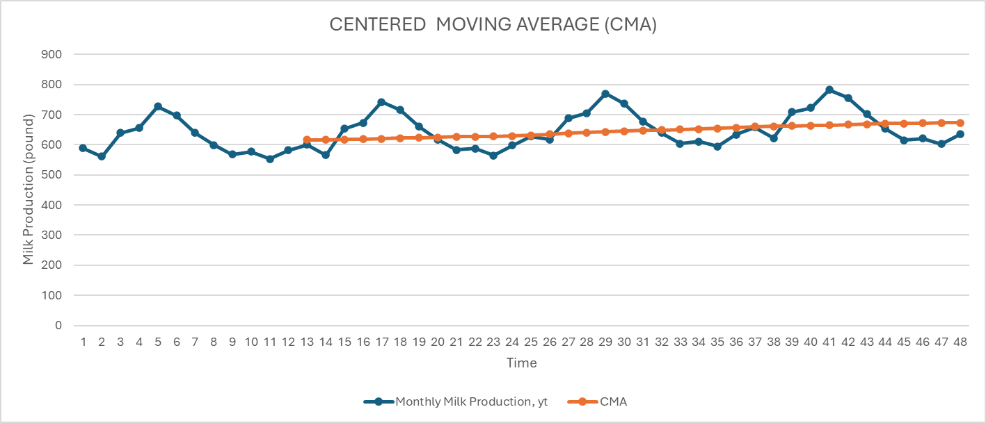
1971-04-01 | 878 | 28 | 705 | 700.0854633 | 1.00701991 | 1.013194178 | 0.993906136
1971-05-01 | 942 | 29 | 770 | 764.8800091 | 1.006693849 | 1.006736563 | 0.999957571
1971-06-01 | 913 | 30 | 736 | 736.2697563 | 0.999633618 | 1.004449125 | 0.995205822
1971-07-01 | 869 | 31 | 678 | 680.1651077 | 0.996816791 | 1.001048086 | 0.995773135
1971-08-01 | 834 | 32 | 639 | 636.5620615 | 1.003829852 | 1.00009342 | 1.003736083
1971-09-01 | 790 | 33 | 604 | 601.1309901 | 1.004772687 | 1.001806443 | 1.002960895
1971-10-01 | 800 | 34 | 611 | 607.1397651 | 1.006358066 | 1.004986868 | 1.001364394
1971-11-01 | 763 | 35 | 594 | 588.0496196 | 1.010118841 | 1.007083198 | 1.003014292
1971-12-01 | 800 | 36 | 634 | 623.6822773 | 1.016543235 | 1.011006714 | 1.005476246
1972-01-01 | 826 | 37 | 658 | 648.7241879 | 1.014298545 | 1.01365354 | 1.000636317
1972-02-01 | 799 | 38 | 622 | 621.0345923 | 1.001554515 | 1.010798765 | 0.99085451
1972-03-01 | 890 | 39 | 709 | 704.7668176 | 1.006006501 | 1.00728652 | 0.99872924
1972-04-01 | 900 | 40 | 722 | 721.7493349 | 1.000347302 | 1.002636106 | 0.997717214
1972-05-01 | 961 | 41 | 782 | 788.4880441 | 0.991771538 | 0.999375114 | 0.99239167
1972-06-01 | 935 | 42 | 756 | 758.9364348 | 0.996130855 | 0.996083232 | 1.000047811
1972-07-01 | 894 | 43 | 702 | 701.0509754 | 1.001353717 | 0.996418703 | 1.004952751
1972-08-01 | 855 | 44 | 653 | 656.0591165 | 0.995337133 | 0.997607235 | 0.997724453
1972-09-01 | 809 | 45 | 615 | 619.4959637 | 0.992742546 | 0.996477798 | 0.996251544
1972-10-01 | 810 | 46 | 621 | 625.6412083 | 0.992581677 | 0.993553785 | 0.999021585
1972-11-01 | 766 | 47 | 602 | 605.923936 | 0.993524045 | 0.992949423 | 1.000578703
1972-12-01 | 805 | 48 | 635 | 642.5917839 | 0.988185682 | 0.991430468 | 0.996727167
1973-01-01 | 821
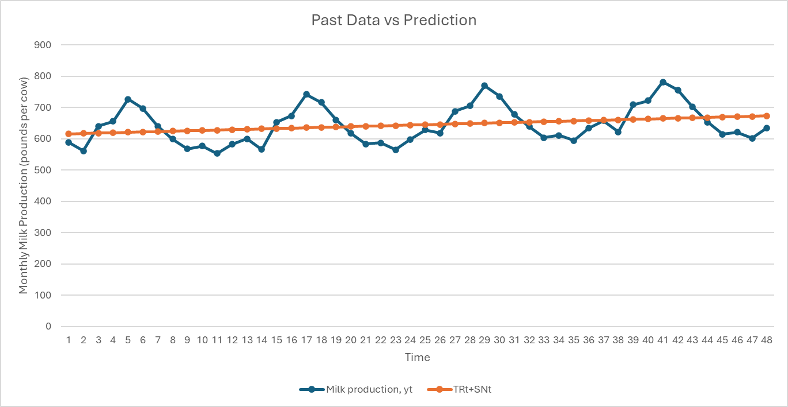
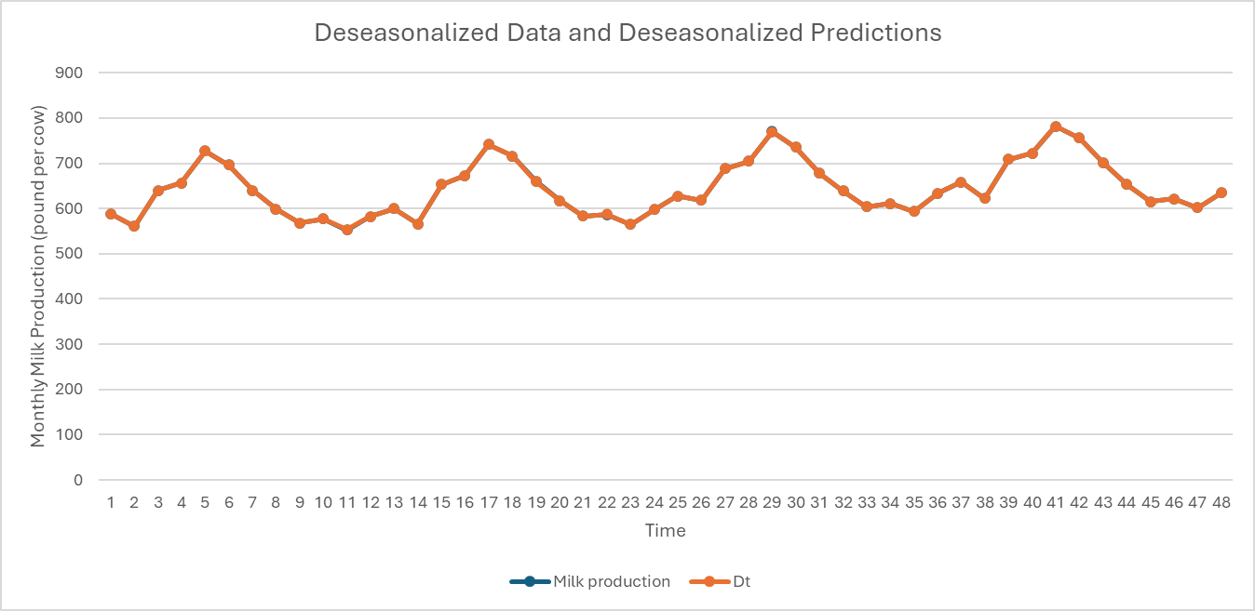
1973-02-01 | 773
1973-03-01 | 883
1973-04-01 | 898
1973-05-01 | 957
1973-06-01 | 924
1973-07-01 | 881
1973-08-01 | 837
1973-09-01 | 784
1973-10-01 | 791
1973-11-01 | 760
1973-12-01 | 802
1974-01-01 | 828
1974-02-01 | 778
1974-03-01 | 889
1974-04-01 | 902
1974-05-01 | 969
1974-06-01 | 947
1974-07-01 | 908
1974-08-01 | 867
1974-09-01 | 815
1974-10-01 | 812
1974-11-01 | 773
1974-12-01 | 813
1975-01-01 | 834
1975-02-01 | 782
1975-03-01 | 892
1975-04-01 | 903
1975-05-01 | 966
1975-06-01 | 937
1975-07-01 | 896
1975-08-01 | 858
1975-09-01 | 817
1975-10-01 | 827
1975-11-01 | 797
1975-12-01 | 843

Monthly milk production: pounds per cow. Jan 62 ? Dec 75

Additive Milk Production
Month | Monthly milk production: pounds per cow. | Year | Month | Milk production | t | MA | CMA | SN + IR | SNt | Dt | TRt | Y-hat = TRt+SNt | Error | Error^2
1962-01-01 | 589 | 1962 | 1 | 589 | 1 |  |  |  | -0.025623573796 | 589.0256236 | 615.816638 | 615.7910144 | -26.79101443 | 717.758454
1962-02-01 | 561 |  | 2 | 589 | 2 |  |  |  | -0.070197030631 | 589.070197 | 617.032776 | 616.962579 | -27.96257897 | 781.9058226
1962-03-01 | 640 |  | 3 | 640 | 3 |  |  |  | 0.054390197729 | 639.9456098 | 618.248914 | 618.3033042 | 21.6966958 | 470.7466087
1962-04-01 | 656 |  | 4 | 656 | 4 |  |  |  | 0.077401775318 | 655.9225982 | 619.465052 | 619.5424538 | 36.45754622 | 1329.152677
1962-05-01 | 727 |  | 5 | 727 | 5 |  |  |  | 0.17536212438 | 726.8246379 | 620.68119 | 620.8565521 | 106.1434479 | 11266.43153
1962-06-01 | 697 |  | 6 | 697 | 6 |  |  |  | 0.12793009533 | 696.8720699 | 621.897328 | 622.0252581 | 74.9747419 | 5621.211924
1962-07-01 | 640 |  | 7 | 640 | 7 |  |  |  | 0.038200579992 | 639.9617994 | 623.113466 | 623.1516666 | 16.84833342 | 283.866339
1962-08-01 | 599 |  | 8 | 599 | 8 |  |  |  | -0.031777365139 | 599.0317774 | 624.329604 | 624.2978266 | -25.29782663 | 639.9800324
1962-09-01 | 568 |  | 9 | 568 | 9 |  |  |  | -0.088819428897 | 568.0888194 | 625.545742 | 625.4569226 | -57.45692257 | 3301.297951
1962-10-01 | 577 |  | 10 | 577 | 10 |  |  |  | -0.081943149325 | 577.0819431 | 626.76188 | 626.6799369 | -49.67993685 | 2468.096125
1962-11-01 | 553 |  | 11 | 553 | 11 |  |  |  | -0.11354211848 | 553.1135421 | 627.978018 | 627.8644759 | -74.86447588 | 5604.689749
1962-12-01 | 582 |  | 12 | 582 | 12 |  |  |  | -0.061382106475 | 582.0613821 | 629.194156 | 629.1327739 | -47.13277389 | 2221.498375
1963-01-01 | 600 | 1963 | 1 | 600 | 13 | 618.0833333 | 618.5416667 | -18.54166667 | -0.025623573796 | 600.0256236 | 630.410294 | 630.3846704 | -30.38467043 | 923.2281969
1963-02-01 | 566 |  | 2 | 566 | 14 | 619 | 618.0416667 | -52.04166667 | -0.070197030631 | 566.070197 | 631.626432 | 631.556235 | -65.55623497 | 4297.619943
1963-03-01 | 653 |  | 3 | 653 | 15 | 617.0833333 | 617.625 | 35.375 | 0.054390197729 | 652.9456098 | 632.84257 | 632.8969602 | 20.1030398 | 404.1322093
1963-04-01 | 673 |  | 4 | 673 | 16 | 618.1666667 | 618.875 | 54.125 | 0.077401775318 | 672.9225982 | 634.058708 | 634.1361098 | 38.86389022 | 1510.401963
1963-05-01 | 742 |  | 5 | 742 | 17 | 619.5833333 | 620.2083333 | 121.7916667 | 0.17536212438 | 741.8246379 | 635.274846 | 635.4502081 | 106.5497919 | 11352.85815
1963-06-01 | 716 |  | 6 | 716 | 18 | 620.8333333 | 621.625 | 94.375 | 0.12793009533 | 715.8720699 | 636.490984 | 636.6189141 | 79.3810859 | 6301.356799
1963-07-01 | 660 |  | 7 | 660 | 19 | 622.4166667 | 623.25 | 36.75 | 0.038200579992 | 659.9617994 | 637.707122 | 637.7453226 | 22.25467742 | 495.2706671
1963-08-01 | 617 |  | 8 | 617 | 20 | 624.0833333 | 624.8333333 | -7.833333333 | -0.031777365139 | 617.0317774 | 638.92326 | 638.8914826 | -21.89148263 | 479.237012
1963-09-01 | 583 |  | 9 | 583 | 21 | 625.5833333 | 626.2083333 | -43.20833333 | -0.088819428897 | 583.0888194 | 640.139398 | 640.0505786 | -57.05057857 | 3254.768515
1963-10-01 | 587 |  | 10 | 587 | 22 | 626.8333333 | 627.25 | -40.25 | -0.081943149325 | 587.0819431 | 641.355536 | 641.2735929 | -54.27359285 | 2945.622881
1963-11-01 | 565 |  | 11 | 565 | 23 | 627.6666667 | 628.1666667 | -63.16666667 | -0.11354211848 | 565.1135421 | 642.571674 | 642.4581319 | -77.45813188 | 5999.762195
1963-12-01 | 598 |  | 12 | 598 | 24 | 628.6666667 | 629.3333333 | -31.33333333 | -0.061382106475 | 598.0613821 | 643.787812 | 643.7264299 | -45.72642989 | 2090.906391
1964-01-01 | 628 | 1964 | 1 | 628 | 25 | 630 | 631.1666667 | -3.166666667 | -0.025623573796 | 628.0256236 | 645.00395 | 644.9783264 | -16.97832643 | 288.2635682
1964-02-01 | 618 |  | 2 | 618 | 26 | 632.3333333 | 634.5 | -16.5 | -0.070197030631 | 618.070197 | 646.220088 | 646.149891 | -28.14989097 | 792.4163616
1964-03-01 | 688 |  | 3 | 688 | 27 | 636.6666667 | 638.125 | 49.875 | 0.054390197729 | 687.9456098 | 647.436226 | 647.4906162 | 40.5093838 | 1641.010176
1964-04-01 | 705 |  | 4 | 705 | 28 | 639.5833333 | 640.9166667 | 64.08333333 | 0.077401775318 | 704.9225982 | 648.652364 | 648.7297658 | 56.27023422 | 3166.33926
1964-05-01 | 770 |  | 5 | 770 | 29 | 642.25 | 643.4166667 | 126.5833333 | 0.17536212438 | 769.8246379 | 649.868502 | 650.0438641 | 119.9561359 | 14389.47453
1964-06-01 | 736 |  | 6 | 736 | 30 | 644.5833333 | 645.4166667 | 90.58333333 | 0.12793009533 | 735.8720699 | 651.08464 | 651.2125701 | 84.7874299 | 7188.90827
1964-07-01 | 678 |  | 7 | 678 | 31 | 646.25 | 647 | 31 | 0.038200579992 | 677.9617994 | 652.300778 | 652.3389786 | 25.66102142 | 658.4880203
1964-08-01 | 639 |  | 8 | 639 | 32 | 647.75 | 648.6666667 | -9.666666667 | -0.031777365139 | 639.0317774 | 653.516916 | 653.4851386 | -14.48513863 | 209.8192413
1964-09-01 | 604 |  | 9 | 604 | 33 | 649.5833333 | 650.4583333 | -46.45833333 | -0.088819428897 | 604.0888194 | 654.733054 | 654.6442346 | -50.64423457 | 2564.838495
1964-10-01 | 611 |  | 10 | 611 | 34 | 651.3333333 | 652.3333333 | -41.33333333 | -0.081943149325 | 611.0819431 | 655.949192 | 655.8672489 | -44.86724885 | 2013.070019
1964-11-01 | 594 |  | 11 | 594 | 35 | 653.3333333 | 654.5416667 | -60.54166667 | -0.11354211848 | 594.1135421 | 657.16533 | 657.0517879 | -63.05178788 | 3975.527955
1964-12-01 | 634 |  | 12 | 634 | 36 | 655.75 | 657.25 | -23.25 | -0.061382106475 | 634.0613821 | 658.381468 | 658.3200859 | -24.32008589 | 591.4665779
1965-01-01 | 658 | 1965 | 1 | 658 | 37 | 658.75 | 660 | -2 | -0.025623573796 | 658.0256236 | 659.597606 | 659.5719824 | -1.571982426 | 2.471128748
1965-02-01 | 622 |  | 2 | 622 | 38 | 661.25 | 661.4166667 | -39.41666667 | -0.070197030631 | 622.070197 | 660.813744 | 660.743547 | -38.74354697 | 1501.062432
1965-03-01 | 709 |  | 3 | 709 | 39 | 661.5833333 | 662.4583333 | 46.54166667 | 0.054390197729 | 708.9456098 | 662.029882 | 662.0842722 | 46.9157278 | 2201.085515
1965-04-01 | 722 |  | 4 | 722 | 40 | 663.3333333 | 664.0416667 | 57.95833333 | 0.077401775318 | 721.9225982 | 663.24602 | 663.3234218 | 58.67657822 | 3442.940832
1965-05-01 | 782 |  | 5 | 782 | 41 | 664.75 | 665.25 | 116.75 | 0.17536212438 | 781.8246379 | 664.462158 | 664.6375201 | 117.3624799 | 13773.95168
1965-06-01 | 756 |  | 6 | 756 | 42 | 665.75 | 666.5833333 | 89.41666667 | 0.12793009533 | 755.8720699 | 665.678296 | 665.8062261 | 90.1937739 | 8134.916851
1965-07-01 | 702 |  | 7 | 702 | 43 | 667.4166667 | 668.4166667 | 33.58333333 | 0.038200579992 | 701.9617994 | 666.894434 | 666.9326346 | 35.06736542 | 1229.720118
1965-08-01 | 653 |  | 8 | 653 | 44 | 669.4166667 | 670 | -17 | -0.031777365139 | 653.0317774 | 668.110572 | 668.0787946 | -15.07879463 | 227.3700476
1965-09-01 | 615 |  | 9 | 615 | 45 | 670.5833333 | 671.0416667 | -56.04166667 | -0.088819428897 | 615.0888194 | 669.32671 | 669.2378906 | -54.23789057 | 2941.748774
1965-10-01 | 621 |  | 10 | 621 | 46 | 671.5 | 671.9166667 | -50.91666667 | -0.081943149325 | 621.0819431 | 670.542848 | 670.4609049 | -49.46090485 | 2446.381109
1965-11-01 | 602 |  | 11 | 602 | 47 | 672.3333333 | 672.6666667 | -70.66666667 | -0.11354211848 | 602.1135421 | 671.758986 | 671.6454439 | -69.64544388 | 4850.487853
1965-12-01 | 635 |  | 12 | 635 | 48 | 673 | 673 | -38 | -0.061382106475 | 635.0613821 | 672.975124 | 672.9137419 | -37.91374189 | 1437.451824
1966-01-01 | 677 |  |  |  |  |  |  |  |  |  |  |  | Total | 154431.0112
1966-02-01 | 635
1966-03-01 | 736 | Unadjusted Seasonal |  |  |  |  |  | Month | Unadjusted Seasonal | Adjusted Seasonal
1966-04-01 | 755 | Month | 1962 | 1963 | 1964 | SNt |  | 1 | -7.902777778 | -16.72106481
1966-05-01 | 811 | 1 | -16.208333333 | -3.1666666667 | -2 | -7.125 |  | 2 | -35.98611111 | -44.80439815
1966-06-01 | 798 | 2 | -50.875 | -16.5 | -39.416666667 | -35.59722222 |  | 3 | 43.93055556 | 35.11226852 |  |  | Coefficients
1966-07-01 | 735 | 3 | 35.375 | 49.875 | 46.541666667 | 43.93055556 |  | 4 | 58.72222222 | 49.90393519 |  | Intercept (β0) | 614.6005
1966-08-01 | 697 | 4 | 54.125 | 64.083333333 | 57.958333333 | 58.72222222 |  | 5 | 121.7083333 | 112.8900463 |  | X Variable 1 (β1) | 1.216138
1966-09-01 | 661 | 5 | 121.79166667 | 126.58333333 | 116.75 | 121.7083333 |  | 6 | 91.45833333 | 82.6400463
1966-10-01 | 667 | 6 | 94.375 | 90.583333333 | 89.416666667 | 91.45833333 |  | 7 | 33.77777778 | 24.95949074
1966-11-01 | 645 | 7 | 36.75 | 31 | 33.583333333 | 33.77777778 |  | 8 | -11.5 | -20.31828704 |  | MSE | 3217.312732
1966-12-01 | 688 | 8 | -7.8333333333 | -9.6666666667 | -17 | -11.5 |  | 9 | -48.56944444 | -57.38773148
1967-01-01 | 713 | 9 | -43.208333333 | -46.458333333 | -56.041666667 | -48.56944444 |  | 10 | -44.16666667 | -52.9849537
1967-02-01 | 667 | 10 | -40.25 | -41.333333333 | -50.916666667 | -44.16666667 |  | 11 | -64.79166667 | -73.6099537
1967-03-01 | 762 | 11 | -63.166666667 | -60.541666667 | -70.666666667 | -64.79166667 |  | 12 | -30.86111111 | -39.67939815
1967-04-01 | 784 | 12 | -31.333333333 | -23.25 | -38 | -30.86111111 |  | Total | 105.8194444 | 0
1967-05-01 | 837 |  |  |  |  |  |  | Mean | 8.818287037 | 0
1967-06-01 | 817
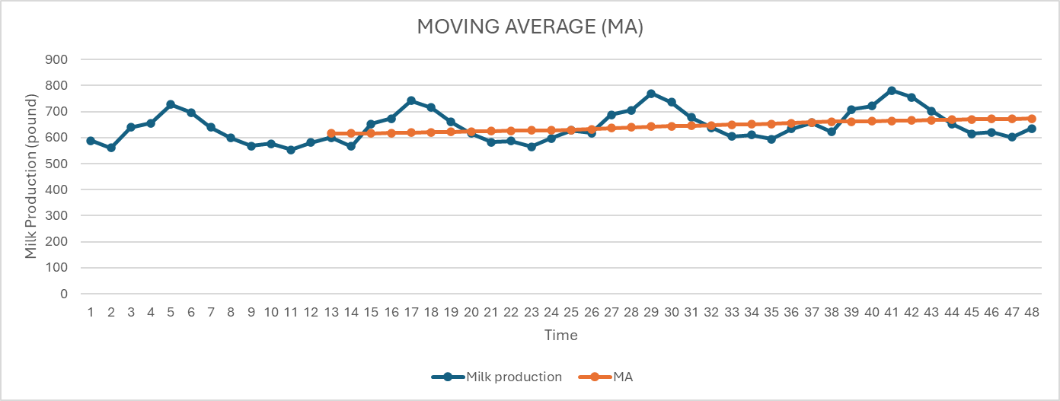
1967-07-01 | 767
1967-08-01 | 722 | t | Milk production | Y-hat = TRt+SNt | clt+irt | clt | irt
1967-09-01 | 681 | 1 | 589 | 615.7910144 | -26.79101443
1967-10-01 | 687 | 2 | 561 | 616.962579 | -55.96257897
1967-11-01 | 660 | 3 | 640 | 618.3033042 | 21.6966958 | -20.3522992 | 42.048995
1967-12-01 | 698 | 4 | 656 | 619.5424538 | 36.45754622 | 0.7305543525 | 35.72699187
1968-01-01 | 717 | 5 | 727 | 620.8565521 | 106.1434479 | 54.76589663 | 51.37755124
1968-02-01 | 696 | 6 | 697 | 622.0252581 | 74.9747419 | 72.52524533 | 2.44949657
1968-03-01 | 775 | 7 | 640 | 623.1516666 | 16.84833342 | 65.98884107 | -49.14050765
1968-04-01 | 796 | 8 | 599 | 624.2978266 | -25.29782663 | 22.1750829 | -47.47290953
1968-05-01 | 858 | 9 | 568 | 625.4569226 | -57.45692257 | -21.96880526 | -35.48811731
1968-06-01 | 826 | 10 | 577 | 626.6799369 | -49.67993685 | -44.14489535 | -5.535041498
1968-07-01 | 783 | 11 | 553 | 627.8644759 | -74.86447588 | -60.66711177 | -14.19736411
1968-08-01 | 740 | 12 | 582 | 629.1327739 | -47.13277389 | -57.22572888 | 10.09295498
1968-09-01 | 701 | 13 | 600 | 630.3846704 | -30.38467043 | -50.7939734 | 20.40930297
1968-10-01 | 706 | 14 | 566 | 631.556235 | -65.55623497 | -47.69122643 | -17.86500854
1968-11-01 | 677 | 15 | 653 | 632.8969602 | 20.1030398 | -25.27928853 | 45.38232833
1968-12-01 | 711 | 16 | 673 | 634.1361098 | 38.86389022 | -2.196434981 | 41.06032521
1969-01-01 | 734 | 17 | 742 | 635.4502081 | 106.5497919 | 55.17224063 | 51.37755124
1969-02-01 | 690 | 18 | 716 | 636.6189141 | 79.3810859 | 74.93158933 | 4.44949657
1969-03-01 | 785 | 19 | 660 | 637.7453226 | 22.25467742 | 69.39518507 | -47.14050765
1969-04-01 | 805 | 20 | 617 | 638.8914826 | -21.89148263 | 26.5814269 | -48.47290953 |  |  |  |  | The forecasting model is adaptable, as it closely follows the actual data’s trends.
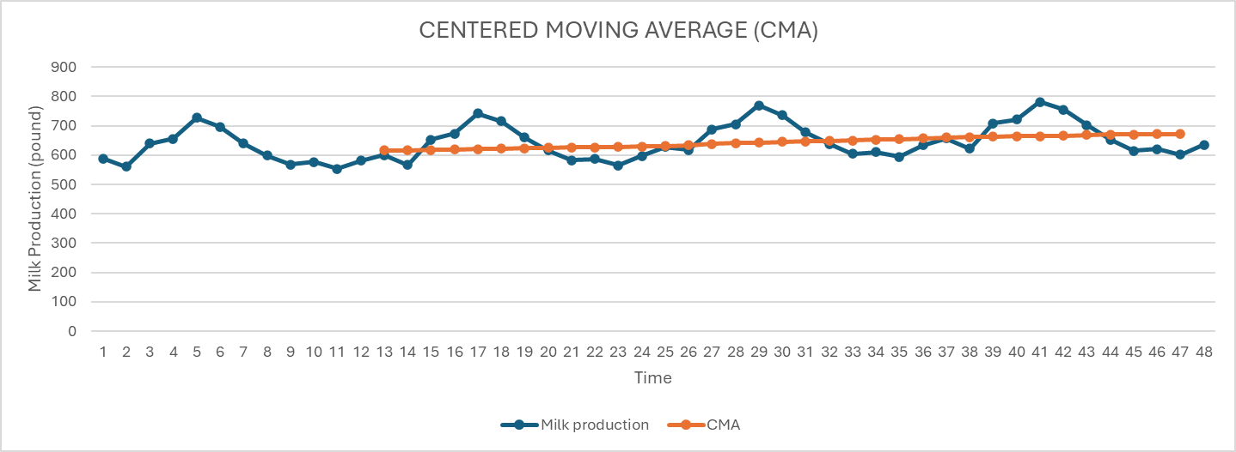
1969-05-01 | 871 | 21 | 583 | 640.0505786 | -57.05057857 | -18.8957946 | -38.15478398
1969-06-01 | 845 | 22 | 587 | 641.2735929 | -54.27359285 | -44.40521802 | -9.868374832
1969-07-01 | 801 | 23 | 565 | 642.4581319 | -77.45813188 | -62.92743443 | -14.53069745
1969-08-01 | 764 | 24 | 598 | 643.7264299 | -45.72642989 | -59.15271821 | 13.42628832
1969-09-01 | 725 | 25 | 628 | 644.9783264 | -16.97832643 | -46.72096273 | 29.74263631
1969-10-01 | 723 | 26 | 618 | 646.149891 | -28.14989097 | -30.28488243 | 2.13499146
1969-11-01 | 690 | 27 | 688 | 647.4906162 | 40.5093838 | -1.539611198 | 42.048995
1969-12-01 | 734 | 28 | 705 | 648.7297658 | 56.27023422 | 22.87657569 | 33.39365854
1970-01-01 | 750 | 29 | 770 | 650.0438641 | 119.9561359 | 72.2452513 | 47.71088457
1970-02-01 | 707 | 30 | 736 | 651.2125701 | 84.7874299 | 87.0046 | -2.217170097
1970-03-01 | 807 | 31 | 678 | 652.3389786 | 25.66102142 | 76.80152907 | -51.14050765
1970-04-01 | 824 | 32 | 639 | 653.4851386 | -14.48513863 | 31.9877709 | -46.47290953
1970-05-01 | 886 | 33 | 604 | 654.6442346 | -50.64423457 | -13.15611726 | -37.48811731
1970-06-01 | 859 | 34 | 611 | 655.8672489 | -44.86724885 | -36.66554069 | -8.201708165
1970-07-01 | 819 | 35 | 594 | 657.0517879 | -63.05178788 | -52.85442377 | -10.19736411
1970-08-01 | 783 | 36 | 634 | 658.3200859 | -24.32008589 | -44.07970754 | 19.75962165
1970-09-01 | 740 | 37 | 658 | 659.5719824 | -1.571982426 | -29.64795207 | 28.07596964
1970-10-01 | 747 | 38 | 622 | 660.743547 | -38.74354697 | -21.5452051 | -17.19834187
1970-11-01 | 711 | 39 | 709 | 662.0842722 | 46.9157278 | 2.200066136 | 44.71566167
1970-12-01 | 751 | 40 | 722 | 663.3234218 | 58.67657822 | 22.28291969 | 36.39365854
1971-01-01 | 804 | 41 | 782 | 664.6375201 | 117.3624799 | 74.31826197 | 43.04421791
1971-02-01 | 756 | 42 | 756 | 665.8062261 | 90.1937739 | 88.74427733 | 1.44949657
1971-03-01 | 860 | 43 | 702 | 666.9326346 | 35.06736542 | 80.87453973 | -45.80717431
1971-04-01 | 878 | 44 | 653 | 668.0787946 | -15.07879463 | 36.72744823 | -51.80624286
1971-05-01 | 942 | 45 | 615 | 669.2378906 | -54.23789057 | -11.41643993 | -42.82145064
1971-06-01 | 913 | 46 | 621 | 670.4609049 | -49.46090485 | -39.59253002 | -9.868374832
1971-07-01 | 869 | 47 | 602 | 671.6454439 | -69.64544388 | -57.7814131 | -11.86403078
1971-08-01 | 834 | 48 | 635 | 672.9137419 | -37.91374189 | -52.34003021 | 14.42628832
1971-09-01 | 790
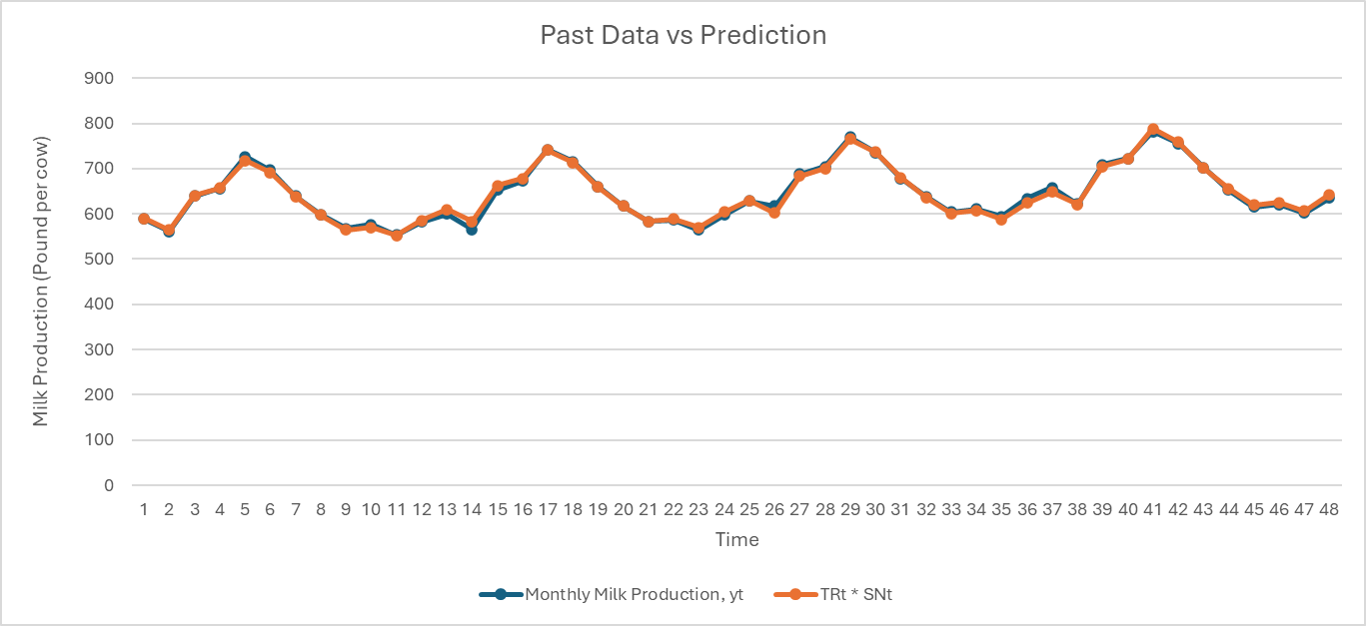
1971-10-01 | 800
1971-11-01 | 763
1971-12-01 | 800
1972-01-01 | 826
1972-02-01 | 799
1972-03-01 | 890
1972-04-01 | 900
1972-05-01 | 961
1972-06-01 | 935
1972-07-01 | 894
1972-08-01 | 855
1972-09-01 | 809
1972-10-01 | 810
1972-11-01 | 766
1972-12-01 | 805
1973-01-01 | 821
1973-02-01 | 773
1973-03-01 | 883
1973-04-01 | 898
1973-05-01 | 957
1973-06-01 | 924
1973-07-01 | 881
1973-08-01 | 837
1973-09-01 | 784
1973-10-01 | 791
1973-11-01 | 760
1973-12-01 | 802
1974-01-01 | 828
1974-02-01 | 778
1974-03-01 | 889
1974-04-01 | 902
1974-05-01 | 969
1974-06-01 | 947
1974-07-01 | 908
1974-08-01 | 867
1974-09-01 | 815
1974-10-01 | 812
1974-11-01 | 773
1974-12-01 | 813
1975-01-01 | 834
1975-02-01 | 782
1975-03-01 | 892
1975-04-01 | 903
1975-05-01 | 966
1975-06-01 | 937
1975-07-01 | 896
1975-08-01 | 858
1975-09-01 | 817
1975-10-01 | 827
1975-11-01 | 797
1975-12-01 | 843

